1. Title Page
[Instacart Grocery Basket Analysis ]

Project Name: Instacart Grocery Basket Analysis
Date: 06.08.23
Analyst Name: Ivan Dimitrov

Contents:
Population Flow
Consistency checks
Wrangling steps
Column derivations
Visualizations
Recommendations

Note: Instacart is a real company that’s made their data available online. However, the contents of this project brief
have been fabricated for the purpose of this Achievement.

2. Population Flow
Title page

Population flow

Exclusion flag
Condition: max_order < 5
Obervations to be removed: 1,440,251
Final total count of order_products_all: 30,963,910

Orders_products_combined
Orders_products_merged
Orders_products_all

Total: 32,434,489 rows × 10 columns
Total : 32,404,859 rows × 20 columns
Total: 32,404,161 rows x 33 columns

1.) The grey boxes in the first row of the population flow represent the original data sets as they were when you downloaded them. In the Total fields you need to add the count of the rows when you imported the data set into Jupyter.
2.) The second row of boxes (coloured) represents the data sets after you manipulated them, e.g., removed missing values and duplicates. In the Total fields you need to add the count of the rows after conducting these operations. This offers a visual oveview of how the data flows throughout the data consistency checks.
3.) The third row, where also the arrows are coloured, represents the merges you performed between the datasets. In the Total fields you need to add the count of the rows in the merged datasets, so that you end up with the final dataset (in the red box). Keep in mind the final dataset should be without exclusions (based on the exclusion flag).

3. Consistency checks
 |  |  |  | Title page
Consistency checks

Dataset | Missing values | Missing values treatment | Duplicates
orders | there are 206209 missing values in the "days_since_prior_order" column | no action taken, since the information can be useful | there are no duplicates
products | there are 16 missing values in 'product_name' column | dropped | there are 5 duplicates
orders_products_prior | there was a value in the "prices" column, which was 99999 (which is not a missing value, but an outlier | dropped due to being an outlier | there are no duplicates
customers | there are 11,259 missing values in the "First_Name" column | no action taken, since they make up more than 5% of the data and leaving them as NaN will not affect the document negatively | there are no duplicates

4. Wrangling steps
 |  |  |  | Title page
Wrangling steps

Columns dropped | Columns renamed | Columns' type changed | Comment/Reason
"eval_set" |  |  | Irrelevant and unnecessary
"First Name" , "Last Name" |  |  | Due to PII
 | "order_dow" to "orders_day_of_week" |  | ease of comprehension
 | "order_hour_of_day" to "order_time_of_day" |  | ease of use
 | "Surnam" to "Last_Name" |  | spelling and consistency
 | "user_id" to "User_ID","STATE" to "State","date_joined" to "Date_Joined","n_dependants" to "Dependants","fam_status" to "Fam_Status","income" to "Income" |  | ease of use
 |  | "order_id" and "user_id" to strings | though these are numbers they are used as unique identifiers so they should be considered as strings
 |  | I have reduced a lot of columns to smaller size | for computational ease of use
 |  | "First_Name" column in (customers) | column holds missing values, and in order for everything to be universal we change it to a string

5. Column derivations
 |  |  |  |  | Title page

Column derivations and aggregations
In this tab you should add tables below that the frequences of flags/label variables that you produced after deriving them. NB: don't do this for continuous variables, only for flags.

Dataset | New column | Column/s it was derived from | Conditions | Frequencies of Conditions
orders_products_merged | "price_label" | "prices" | If price is <= 5 then "Low-range product" if price is >5 and <=15 then "Mid-range product" if price is > 15 then "High-range product" | Mid-range product 21860860 Low-range product 10126321 High-range product 417678
orders_products_merged | "busiest_day" | "orders_day_of_week" | If value is 0 then "Busiest day" if value is 4 then "Least busy" if value is anything else, then "Regularly busy" | Regularly busy 22416875 Busiest day 6204182 Least busy 3783802
orders_products_merged | "busiest_days" | "orders_day_of_week" | If value is 0 or 1, then "Busiest days" if value is 4 or 3, then "Slowest days" anything else is "Regularly busy" | Regularly busy 12916111 Busiest days 11864412 Slowest days 7624336
orders_products_merged | "busiest_period_of_day" | "order_time_of_day" | If value is 10,11,14,15,13,12,16,9, then "Most orders" if value is 23,6,0,1,5,2,4,3, then "Fewest orders" anything else is "Average orders" | Most Orders 21118071 Average Orders 9997651 Fewest Orders 1289137
df_ords_prods_last_updated | "max_order" | grouping of "user_id" and "order_number" | using "groupby" function
df_ords_prods_last_updated | "loyalty_flag" | "max_order" | If "max_odrer" > 40 then "Loyal customer" If "max_order" <= 40 and >10 then "Regular customer" If "max_order" <10 then "New customer" | Regular customer 15876363 Loyal customer 10284010 New customer 6243788
df_ords_prods_last_updated | "avg_price" | grouping of "user_id" and "prices" | using "groupby" function
df_ords_prods_last_updated | "spending_flag" | "avg_price" | If "avg_price" < 10 then "Low spender" If "avg_price" >=10 then "High spender" | Low spender 31827629 High spender 576532
df_ords_prods_last_updated | "median_days" | grouping of "user_id" and "days_since_prior_order" | using "groupby" function
df_ords_prods_last_updated | "frequency_flag" | "median_days" | If "median_days" >20 then "Non-frequent customer" If "median_days" >10 and <= 20 then "Regular customer" If "median_days" <=10 then "Frequent customer" | Frequent customer 21559380 Regular customer 7208433 Non-frequent customer 3636343
ords_prods_cust_combined_4.9_Part1 | "age_group" | "age" | If "age" >=60 then "Senior" If "age" >=35 and < 60 then "Middle-Aged" If "age" <35 then "Young Adult" | Middle-Aged 12709667 Senior 11067041 Young_Adult 8627453
ords_prods_cust_combined_4.9_Part1 | "Region" | "State" | It would take a lot of space so in a few words - we created a Region flag based upon the different States belonging to given regions
ords_prods_cust_combined_4.9_Part1 | "Income_groups" | "Income" | If "Income" >= 25,000 and <75,000 then "Low Income" If "Income" >=75,000 and <150,000 then "Middle_Income" If "Income" >=150,000 then "High_Income" | Middle_Income 17910325 Low_Income 10442766 High_Income 4051070
ords_prods_cust_combined_4.9_Part1 | "snacks_customer" | "department_id" | If "department_id" == 19 then "snacks user" if "department_id" !=19 then "snacks non-user" | snacks user 30987688 snacks non-user 1416473
ords_prods_cust_combined_4.9_Part1 | "Family_Status_Flag" | "Fam_Status" | If "Fam_Status" is (divorced/widowed), (living with parents and siblings), (single) and "Dependants" == 0 then "Single with NO Dependants" If "Fam_Status" is (divorced/widowed), (living with parents and siblings), (single) and "Dependants" >=1 then "Single WITH Dependants" If "Fam_Status" == (married) and "Dependants" == 1 then "Married with NO Depentants" If "Fam_Status" == (married) and "Dependants" >1 then "Married WITH Dependants" | Married WITH Dependants 15205514 Single with NO Dependants 8097305 Married with NO Dependants 7550759 Single WITH Dependants 1550583

6. Visualizations
 |  |  |  |  |  |  | Title page

Visualisations

In this tab you should include all the visualtions from Exercises 4.9 and 4.10, alongside the questions from the project brief that they answer. Include any commentary on the relationship between different variables.

Q1. | The sales team needs to know what the busiest days of the week and hours of the day are (i.e., the days and times with the most orders) in order to schedule ads at times when there are fewer orders.
This picture shows the amount of orders (y - axis) spread accross the days of the week (x - axis)
Legend
0 - Saturday
1 - Sunday
2 - Monday
3 - Tuesday
4 - Wednesday
5 - Thursday
6 - Friday
This picture shows the busiest hours of the day (x - axis represent the hours) and (y - axis represents the order frequency




Q2. | They also want to know whether there are particular times of the day when people spend the most money, as this might inform the type of products they advertise at these times.
This picture shows the orders during the time of the day on the (x - axis) and the price on the (y - axis)

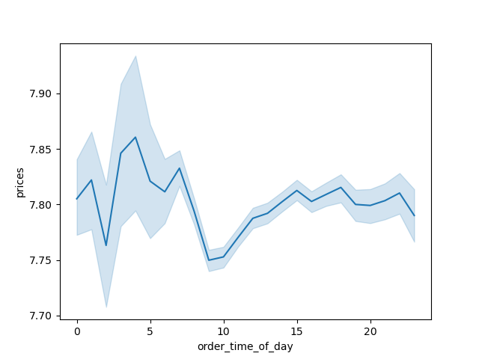

Q3. | Instacart has a lot of products with different price tags. Marketing and sales want to use simpler price range groupings to help direct their efforts.
 | We actually have a flag for this and it's as follows: |  | If price is <= 5 then "Low-range product" if price is >5 and <=15 then "Mid-range product" if price is > 15 then "High-range product"

 |  |  | This is how the above statement looks when visualized:
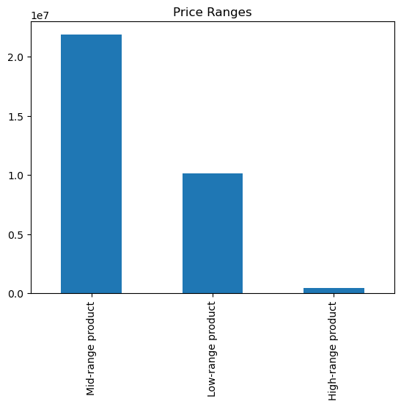

Q4. | Are there certain types of products that are more popular than others? The marketing and sales teams want to know which departments have the highest frequency of product orders.
This picture shows the distribution of departments. As we see "produce", "dairy eggs" and "snacks" are one of the most common departments. On the (y - axis) we can see the frequency of product orders.

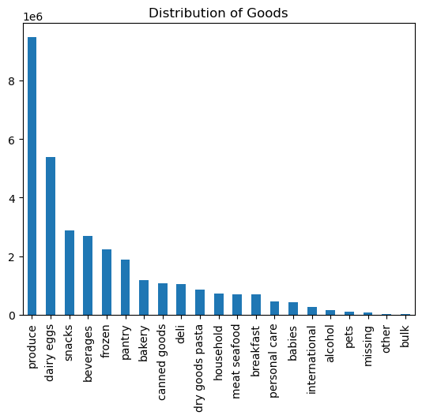

Q5. | The marketing and sales teams are particularly interested in the different types of customers in their system and how their ordering behaviors differ. For example:

 | ○ What’s the distribution among users in regards to their brand loyalty (i.e., how often do they return to Instacart)?

 | We have a loyalty flag based on the amount of orders each customer takes. It is calculated as follows: |  |  | If "max_odrer" > 40 then "Loyal customer" If "max_order" <= 40 and >10 then "Regular customer" If "max_order" <10 then "New customer"
 |  |  |  | Here is it visualized:

On the (y - axis) we can see the frequency of orders. Thus the conclusion we get from this picture is that "Regular Customers" are more than the "Loyal Customers" and "New Customers" unsurprisingly take the smallest proportion of all.

 | ○ Are there differences in ordering habits based on a customer’s loyalty status?
This picture shows that there is not much difference in the customer's loyalty status when it comes to ordering habits. In general all the customers tend to buy "produce", "dairy eggs" and "snacks" as it was shown above. And once again we get a confirmation that "Regular customers" prevail in all categories

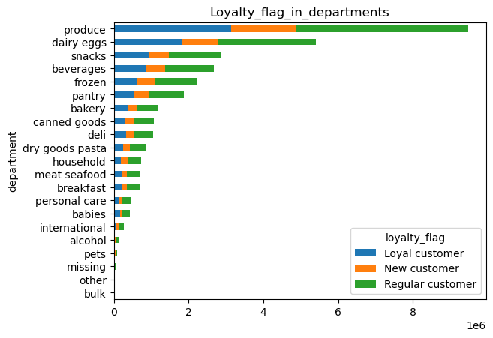

 | ○ Are there differences in ordering habits based on a customer’s region?
As we can see from the illustration below, the "South" region prevails in spending habits as the green line is taller than any other in all departments.

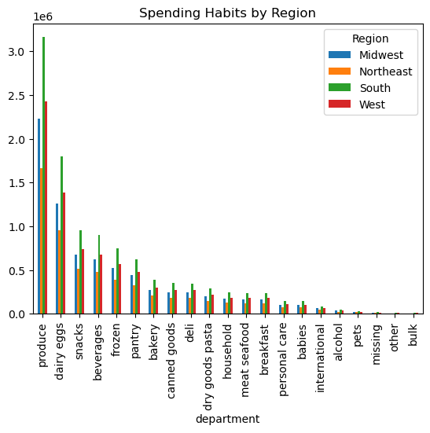
 |  |  |  | spending_flag | High spender | Low spender
 |  |  |  | Region
 |  |  |  | Midwest | 140167 | 7456939
 |  |  |  | Northeast | 98777 | 5623853
 |  |  |  | South | 189513 | 10602127
 |  |  |  | West | 148075 | 8144710

We can also see here that "Low spenders" are the majority of revenue makers in all regions.

 | ○ Is there a connection between age and family status in terms of ordering habits?
On this picture we see that "Married people WITH Dependants" are the majority of customer base.
We also see here that that major customer base is located primarily in the "South" and "West" regions.
Finally we see that customers who are married and have Dependants in their household occupy primarily the "produce", "dairy eggs" and "snacks" departments. But we also can see that they generally prevail in all categories.

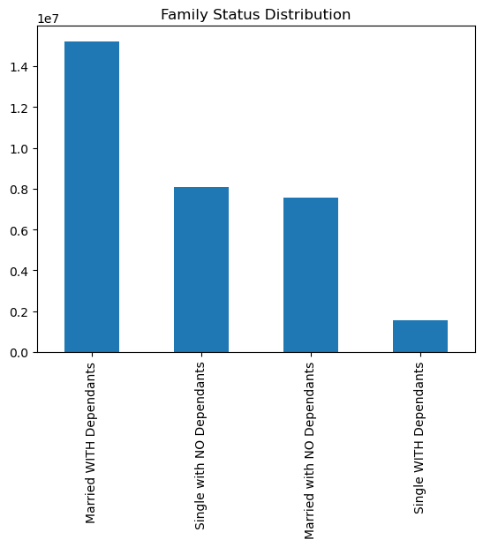
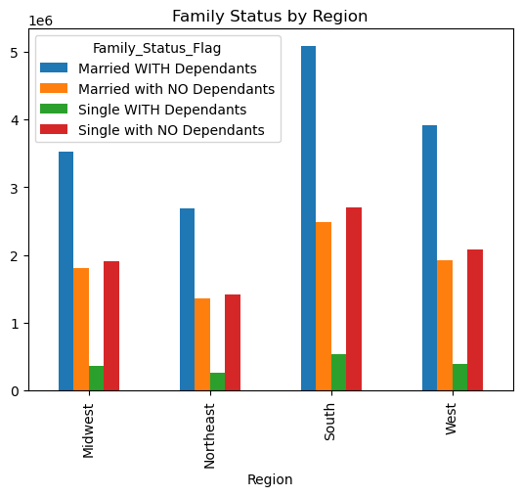
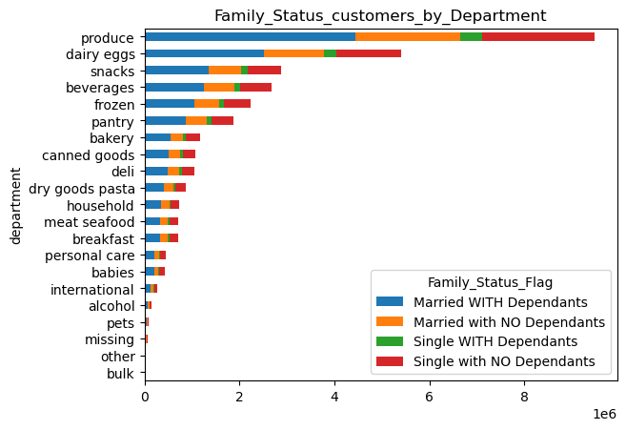

 | ○ What different classifications does the demographic information suggest? Age? Income? Certain types of goods? Family status?
From this picture we can see 3 different classifications of the demographics in terms of Age. As we see "Middle-Aged" people are the most. Classification was selected on these terms:
In terms of Regions - "Middle-Aged" people occupy mainly the "South" and "West" region.
In terms of Departments the "Middle-Aged" group also prevails accross "produce", "dairy eggs" and "snacks"

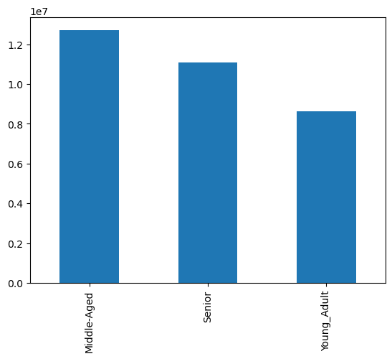
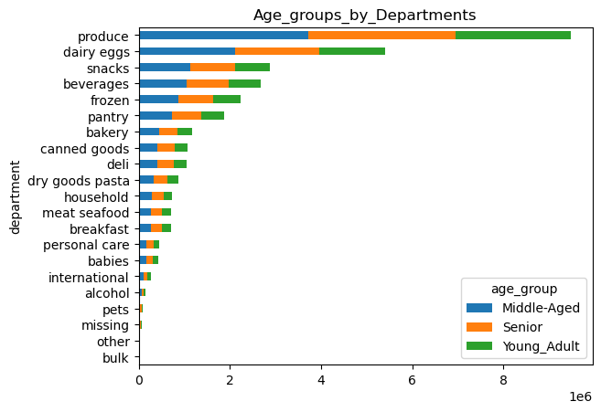
If "age" >=60 then "Senior" If "age" >=35 and < 60 then "Middle-Aged" If "age" <35 then "Young Adult"
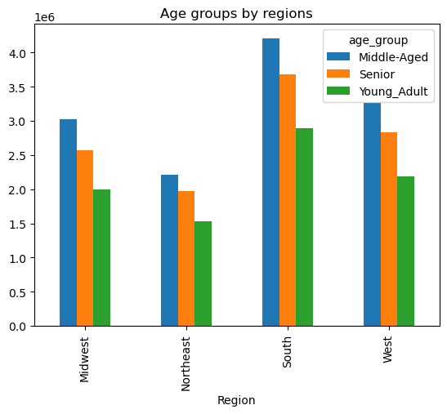

This illustration shows that "Middle-Aged" are the most snacks users, followed by "Seniors" and surprisingly "Young_Adults" take the last place for snacks users.
Here we see Income divided between 3 groups with "Middle-Income" taking 1st place, followed by "Low-Income" and lastly "High-Income". These categories were selected this way:

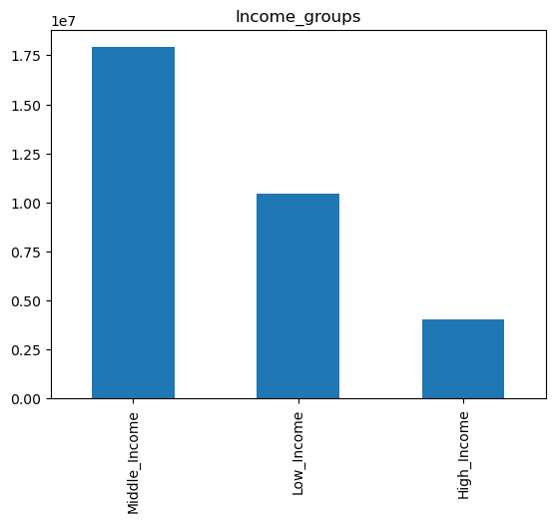
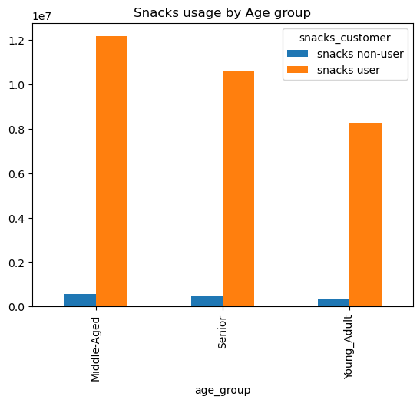
If "Income" >= 25,000 and <75,000 then "Low Income" If "Income" >=75,000 and <150,000 then "Middle_Income" If "Income" >=150,000 then "High_Income"

From this image we see that "Middle_Income" people also take the lead in the usual departments "produce", "dairy eggs" with the difference that "beverages" take over the "snacks" department.
Here we've got Income groups by Region and as we see once again "South" and "West" take the lead in "Middle_Income" group.

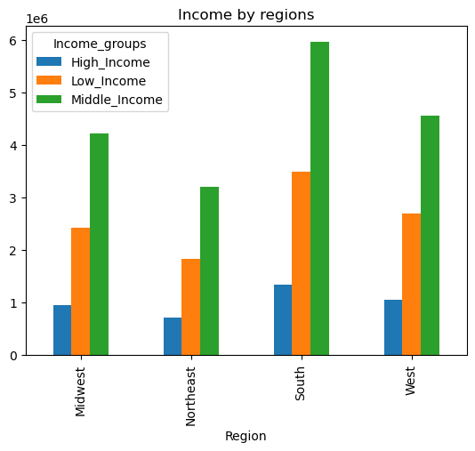
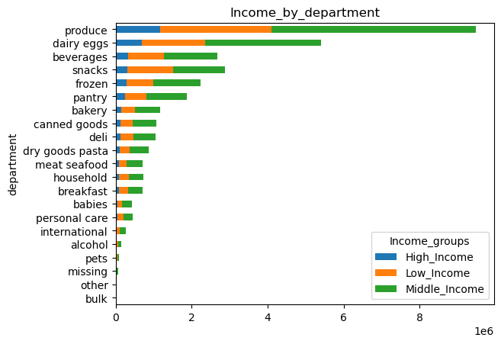

 |  | In regards to "Family status" please revert to the question before.

 | ○ What differences can you find in ordering habits of different customer profiles? Consider the price of orders, the frequency of orders, the products customers are ordering, and anything else you can think of.

According to our first profile (Age) the graphs show that "Low spending" are the major customers. Regardles of the age groups being classified as "Low spenders" they take a huge part of the order amount. So it's important not to ignore their contribution to the revenue.
We can see here from the histogram that income starts from 25K to roughly 300K a year. Most of the income is around the 100K. So we can safely divide them into three groups (25K-75K - Low Income); (75K-150K - Middle Income); (150K and up - High Income).
From this image we see that out of the "Low Spenders" the "Middle_Income" customers take the lead. Followed by "Low_Income" and lastly "High_Income" customers.

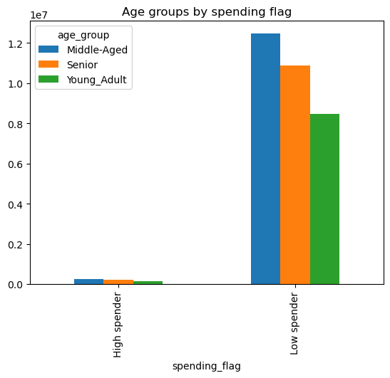
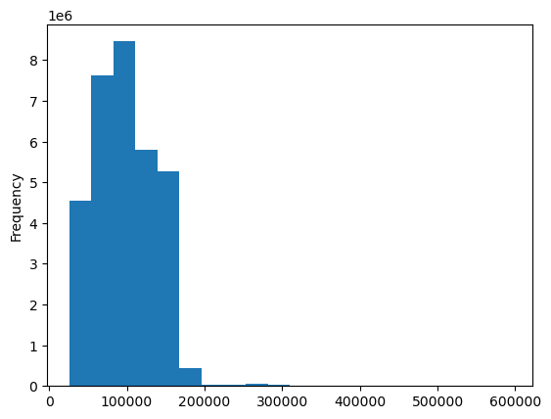
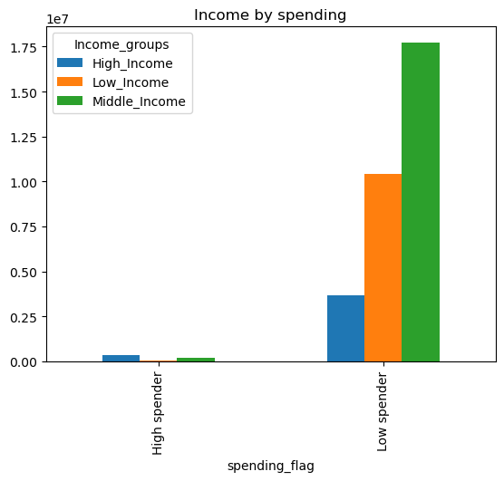

From this picture we see that as unsurprising as it is that the "Loyalty flag" occupies the "Low spender" category, we find that "Regular customers" take the biggest proportion among that group, followed by the "Loyal customers" and laslty "New customers".
On this picture we see that Frequent customers are the "Low Spenders". We also see that among "Non-frequent" and "Regular" customers the "High spenders" prevail in the "Frequent Customer" category.
This picture shows that "Married people WITH Dependants" are amongst the "Low Spender" group. Also we see that all of the Family categories are mainly situated in the "Low spenders" category.

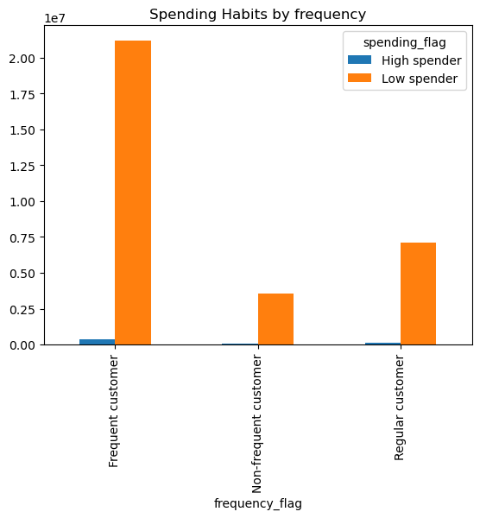
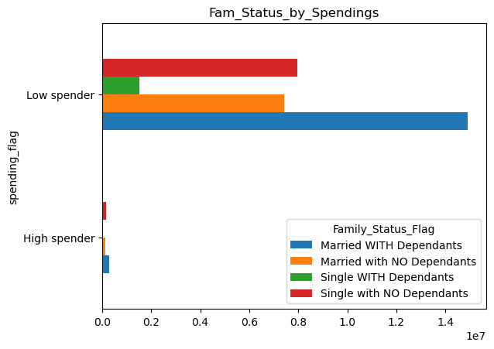
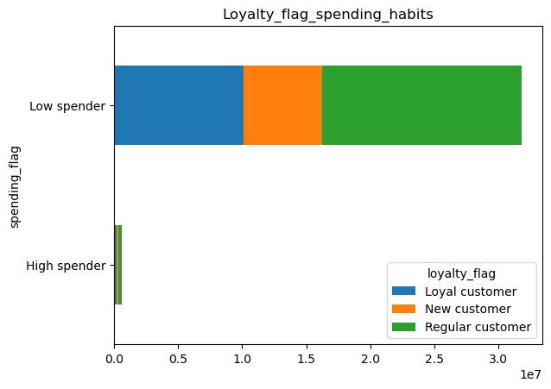

 |  | In conclusion:
 |  | 1. The most profitable region is the South region.
 |  | 2. The most people with Middle,Low and High income are in the South region.
 |  | 3. The most profitable day is Saturday, followed by Sunday and Friday.
 |  | 4. Peak shopping activity is between the hours of 9AM and 16PM.
 |  | 5. Most common products are in the Middle range price. Followed by the Low range products price and the least amount of products have a High range of prices.
 |  | 6. "Produce", "dairy eggs" and "snacks" are one of the most common departments.
 |  | 7. "Regular Customers" are more than the "Loyal Customers" and "New Customers" unsurprisingly take the smallest proportion of all.
 |  | 8. "Regular customers" prevail in all products categories
 |  | 9. "South" region prevails in customers' spending habits
 |  | 10. "Married people WITH Dependants" are the majority of customer base.
 |  | 11. Customers that buy products in the "Snacks" category vastly outnumber those who don't buy "Snacks"
 |  | 12. The majority of the customer base is from people with "Middle income".
 |  | 13. The majority of the customers are clasified as "Low spenders".
 |  | 14. The majority of the frequent customers are also "Low spenders".
 |  | 15. Most of the revenue making customers are "Married WITH Dependants".

7. Recommendations
 |  | Title page

Recommendations

In this tab you should include any recommendations you would made to Instcart in terms of their marketing strategy based on the questions posed in the brief. Every key question has been covered in the Tasks of the Exercises - here you need to add an item - a visualisation or table/crosstable that is showing the answer in the data, acompanied by a comment from you. Please, list the questions below and add the answer underneath.

1. | Question
 | The sales team needs to know what the busiest days of the week and hours of the day are (i.e., the days and times with the most orders) in order to schedule ads at times when there are fewer orders.
 | Answer
 | The most profitable day is Saturday, followed by Sunday and Friday. Peak shopping activity is between the hours of 9AM and 16PM.

Legend
0 - Saturday
1 - Sunday
2 - Monday
3 - Tuesday
4 - Wednesday
5 - Thursday
6 - Friday

 | Recommendation
 | Focus on promotions and marketing campaigns starting Thursday afternoon, so that people get ready with products lists for the weekends. Also shopping activity during these times (9AM-16PM) should be handled accordingly with the right amount of staff and products.

2. | Question
 | They also want to know whether there are particular times of the day when people spend the most money, as this might inform the type of products they advertise at these times.
 | Answer
 | There seems to be a spike at 4AM, but in general money spending occurs throughout the whole day with the exeption of the drop at 9-11 AM.

 | Recommendation
 | Highly priced product can be stacked full for the period of 4AM and 7AM.

3. | Question
 | Instacart has a lot of products with different price tags. Marketing and sales want to use simpler price range groupings to help direct their efforts.
 | Answer
 | Most common products are in the Middle range price. Followed by the Low range products price and the least amount of products have a High range of prices.

 | Recommendation
 | There is quite a small amount of high-range products. I recommend that Instacart stacks a bit on those types and pump up the Low-range products as well. Low-range products could also be boosted since the major customers group has Middle-Income.

4. | Question
 | Are there certain types of products that are more popular than others? The marketing and sales teams want to know which departments have the highest frequency of product orders.
 | Answer
 | "Produce", "dairy eggs" and "snacks" are one of the most common departments.

 | Recommendation
 | I recommend "nstacart" has good stock of "produce", "dairy eggs" and "snacks", but also to investigate whether or not the least sought departments have enough products or the small interest is due to another factor.

5. | Question
 | What’s the distribution among users in regards to their brand loyalty (i.e., how often do they return to Instacart)?
 | Answer
 | "Regular Customers" are more than the "Loyal Customers", and "New Customers" unsurprisingly take the smallest proportion of all.

 | Recommendation
 | I recommend that "Instacart" gives some beneficial cards to their Loyal customers to keep them more involved. But I would also suggest investing in some coupons or interactive lottery to keep the Regular customers' interests.

6. | Question
 | Are there differences in ordering habits based on a customer’s loyalty status?
 | Answer
 | As it would seem "Regular customers" prevail in all products categories

 | Recommendation
 | Some incentive for Loyal customers can be a good idea, especially with items from the top 5 departments (produce,dairy eggs, snacks, beverages and frozen).

7. | Question
 | Are there differences in ordering habits based on a customer’s region?
 | Answer
 | "South" region prevails in customers' spending habits

 | Recommendation
 | I recommend investing in attention to the Northeast region, as it is lowest among many criteria. With that said it's a good idea to incentivise the South region, as we see that it holds 1st place in many categories and is the largest money maker.

8. | Question
 | Is there a connection between age and family status in terms of ordering habits?
 | Answer
 | As we see Middle-Aged and Married WITH Dependants prevail in all departments. The connection that we can see is that Middle-aged people are mostly Married with Dependants.

 | Recommendation
 | I recommend an incentive by any means (coupons, price reductions, special offers, personal gift cards) to the Seniors group, as it's most likely that everyone benefits from such a marketing move.
 | Incentivising Single people WITH Dependants is also a good idea, since their financial abilities are most likely limited and helping them with special offers and price reductions can expand the customer base of that kind.

In terms of Regions - "Middle-Aged" people occupy mainly the "South" and "West" region.
9. | Question
 | What different classifications does the demographic information suggest? Age? Income? Certain types of goods? Family status?
 | Answer
From this picture we can see 3 different classifications of the demographics in terms of Age. As we see "Middle-Aged" people are the most. Classification was selected on these terms:
In terms of Departments the "Middle-Aged" group also prevails accross "produce", "dairy eggs" and "snacks"

If "age" >=60 then "Senior" If "age" >=35 and < 60 then "Middle-Aged" If "age" <35 then "Young Adult"

Here we see Income divided between 3 groups with "Middle-Income" taking 1st place, followed by "Low-Income" and lastly "High-Income". These categories were selected this way:
This illustration shows that "Middle-Aged" are the most snacks users, followed by "Seniors" and surprisingly "Young_Adults" take the last place for snacks users.

If "Income" >= 25,000 and <75,000 then "Low Income" If "Income" >=75,000 and <150,000 then "Middle_Income" If "Income" >=150,000 then "High_Income"

Here we've got Income groups by Region and as we see once again "South" and "West" take the lead in "Middle_Income" group.
From this image we see that "Middle_Income" people also take the lead in the usual departments "produce", "dairy eggs" with the difference that "beverages" take over the "snacks" department.

 | Recommendation
 | I can generally recommend that "Instacart" focuses on incentive for the Seniors and Young adults, in the South region.
 | All age groups are snacks users. Doing a promotion on snacks is a good idea.
 | High-income people like beverages more than snacks, and low and mid income people like more snacks than beverages. So "Instacart" can make a promotion of beverages for high-income people and a promotion for snacks to low and mid income people.

9. | Question
 | What differences can you find in ordering habits of different customer profiles? Consider the price of orders, the frequency of orders, the products customers are ordering, and anything else you can think of.
 | Answer
According to our first profile (Age) the graphs show that "Low spending" are the major customers. Regardles of the age groups being classified as "Low spenders" they take a huge part of the order amount. So it's important not to ignore their contribution to the revenue.
We can see here from the histogram that income starts from 25K to roughly 300K a year. Most of the income is around the 100K. So we can safely divide them into three groups (25K-75K - Low Income); (75K-150K - Middle Income); (150K and up - High Income).
From this image we see that out of the "Low Spenders" the "Middle_Income" customers take the lead. Followed by "Low_Income" and lastly "High_Income" customers.

On this picture we see that Frequent customers are the "Low Spenders". We also see that among "Non-frequent" and "Regular" customers the "High spenders" prevail in the "Frequent Customer" category.
This picture shows that "Married people WITH Dependants" are amongst the "Low Spender" group. Also we see that all of the Family categories are mainly situated in the "Low spenders" category.
From this picture we see that as unsurprising as it is that the "Loyalty flag" occupies the "Low spender" category, we find that "Regular customers" take the biggest proportion among that group, followed by the "Loyal customers" and laslty "New customers".

 | Recommendation
 | I recommend that "Instacart" sends weekly brochures to "Middle Income" customers. I also recommend that those brochures include mostly lower priced products as the majority of customers are classified as "Low spenders".
 | I also recommend that "Married people with Dependants" receive some gift cards and bonuses to help them with eventual financial difficulties.
 | Generally a slight discount that ends up expanding the customer base is worth the discount, as we create more and more loyal customers.

